County Historical Voting
County | Party
Adams | Republican
Asotin | Republican
Benton | Republican
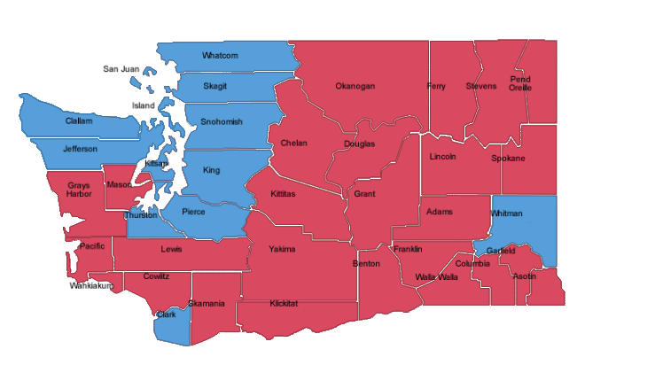
Chelan | Republican
Clallam | Democrat
Clark | Democrat
Columbia | Republican
Cowlitz | Republican
Douglas | Republican
Ferry | Republican
Franklin | Republican
Garfield | Republican
Grant | Republican
Grays Harbor | Republican
Island | Democrat
Jefferson | Democrat
King | Democrat
Kitsap | Democrat
Kittitas | Republican
Klickitat | Republican
Lewis | Republican
Lincoln | Republican
Mason | Republican
Okanogan | Republican
Pacific | Democrat
Pend Oreille | Republican
Pierce | Democrat
San Juan | Democrat
Skagit | Democrat
Skamania | Republican
Snohomish | Democrat
Spokane | Republican
Stevens | Republican
Thurston | Democrat
Wahkiakum | Republican
Walla Walla | Republican
Whatcom | Democrat
Whitman | Republican
Yakima | Republican

